1. Title Page
[Instacart Grocery Basket Analysis]

Project Name: Instacart Grocery Basket Analysis
Date: 03/02/2023
Analyst Name: Carlos David Baena

Contents:
Population Flow
Consistency checks
Wrangling steps
Column derivations
Visualizations
Recommendations

Data source:
“The Instacart Online Grocery Shopping Dataset 2017”, Accessed from
https://www.instacart.com/datasets/grocery-shopping-2017

CareerFoundry
"Customer data as well as the “prices” column in the products data set, were both fabricated for the purpose of this course"
Accessed from
https://careerfoundry.com/en/course/data-immersion/exercise/coding-etiquette-reporting#instacart-analysis-final-report
on February, 2023

2. Population Flow
Title page

Population flow

Exclusion flag
Condition: max_order < 5
Obervations to be removed: 1,440,295
Final total count of order_products_all: 32,404,859

Orders_products_combined
Orders_products_merged
Orders_products_all

Total: 32,404,859
Total: 32,434,489
Total: 32,404,859

1.) The grey boxes in the first row of the population flow represent the original data sets as they were when you downloaded them. In the Total fields you need to add the count of the rows when you imported the data set into Jupyter.
2.) The second row of boxes (coloured) represents the data sets after you manipulated them, e.g., removed missing values and duplicates. In the Total fields you need to add the count of the rows after conducting these operations. This offers a visual oveview of how the data flows throughout the data consistency checks.
3.) The third row, where also the arrows are coloured, represents the merges you performed between the datasets. In the Total fields you need to add the count of the rows in the merged datasets, so that you end up with the final dataset (in the red box). Keep in mind the final dataset should be without exclusions (based on the exclusion flag).

3. Consistency checks
 |  |  |  | Title page
Consistency checks

Dataset | Missing values | Missing values treatment | Duplicates
orders | 206,209 missing values in ['days_since_prior_order'] | Creation of new column ['new_customer'] to indicate missing value are seen for new customers | None
products | 16 missing values in ['product_name'] | "removed" by creating a new dataframe that does not contain them | 5 duplicates found and removed
orders_products_prior | None | None | None
customers | None | None | None

4. Wrangling steps
 |  |  |  | Title page
Wrangling steps

Columns dropped | Columns renamed | Columns' type changed | Comment/Reason
['eval_set'] |  |  | Represented system information labels for the data set. Irrelevant for this project.
 | ['order_dow'] to ['orders _day_of_week'] |  | New name is easier to understand
 |  | ['order_id'] | Changed from integer to string. Because this column is a qualitative variable
 |  | ['user_id'] | Changed from integer to string. Because this column is a qualitative variable
 | ['Gender'] |  | Renamed to 'gender' to match naming conventions
 | ['STATE'] |  | Renamed to 'state' to match naming conventions
 | ['Age'] |  | Renamed to 'age' to match naming conventions
 | ['n_dependants'] |  | Renamed to 'number_dependants' for clarity
 | ['fam_status'] |  | Renamed to 'family_status' for clarity

5. Column derivations
 |  |  |  | Title page

Column derivations and aggregations

In this tab you should add tables below that the frequences of flags/label variables that you produced after deriving them. NB: don't do this for continuous variables, only for flags.
Dataset | New column | Column/s it was derived from | Conditions
orders_products_merged.pkl | price_range | prices | If price is more than $15 flagged as high-range product, if price is higher than $5 and less than or equal to $15 flagged as mid-range product. If prices are equal to or lower than $5 flagged as low-range product.
orders_products_merged.pkl | busiest_day | orders_day_of_week | If day is 0 it is flagged as busiest day, if it’s the 4th day it is flagged as least busiest. Anything else will be flagged as regularly busy
orders_products_merged.pkl | busiest_days | orders_day_of_week | If day is 0 or 1 flagged as busiest day. If day is 3 or 4 flagged as slowest day. Anything else will be flagged as regularly busy
orders_products_merged.pkl | busiest_period_of_day | order_hour_of_day | If hour is on the 1st quantile then it was flagged as 'Fewest orders', if hour is between quantile 1 and 3 flagged as 'average orders', if hour is on the 3rd quantile flagged as 'Most orders'.
orders_products_merged_update.pkl | loyalty_flag | Grouped by user_id and aggregated max values from order_number | If user has over 40 orders they are flagged as a Loyal customer. If user has more than 10 orders and less than or equal to 40 customers they are flagged as regular customer. If user has less than or equal to 10 orders they are flagged as new customer.
orders_products_merged_update.pkl | spending_flag | Grouped by user_id and aggregrated average values of prices | If user has spent less than $10 they are flagged as low spender. If user has spent $10 or more they are flagged as high spender.
orders_products_merged_update.pkl | order_frequency_flag | Grouped by user_id and aggregrated by the media of days_since_prior_order | If median values is more than 20, flagged as 'Non-frequent customer'. If median values between 10 and 20, flagged as Regular customer'. Finally, if values are less or equal to 10, then flagged as 'Frequent customer'.
orders_products_all.pkl | region | state | States were aggrupated into regions (https://simple.wikipedia.org/wiki/List_of_regions_of_the_United_States)
orders_products_all.pkl | exclusion flag | max_order | If max_order less than 5 flagged as 'low-activity'. Otherwise, flagged as 'high-activity'
df_high_activity_customers.pkl | profile | Based on columns: age, income, department_id, number_dependants, family_status, and order_hour_of_day | If someone was single and aged 18 or more, then she/he was flagged as a single adult If someone had one dependants and an income higher than $100000, then she/he was flagged as high-income small family If someone had two dependants and an income higher than $100000, then she/he was flagged as high-income medium family If someone had three dependants and an income higher than $100000, then she/he was flagged as high-income big family If someone had one dependant and an income below $100000, then she/he was flagged as low-income small family If someone had two dependants and an income below $100000, then she/he was flagged as low-income medium family If someone had three dependants and an income below $100000, then she/he was flagged as low-income big family If someone had any dependants and bought in the babies department, then she/he was flagged as babies at home If someone ordered before noon and bought in the breakfast department, then she/he was flagged as employees If someone's age was 65 or more and had an income higher than $100000, then she/he was flagged as retired wealthy If someone aged below 65 and had an income below $100000, then she/he was flagged as retired less money The other observations that are not included on the list where flagged as other

6. Visualizations
 | Title page

Visualisations

In this tab you should include all the visualtions from Exercises 4.9 and 4.10, alongside the questions from the project brief that they answer. Include any commentary on the relationship between different variables.

Key Questions
1. Which are the busiest days of the week and hours of the day are (i.e., the days and times with the most orders) in order to schedule ads at times when there are fewer orders.

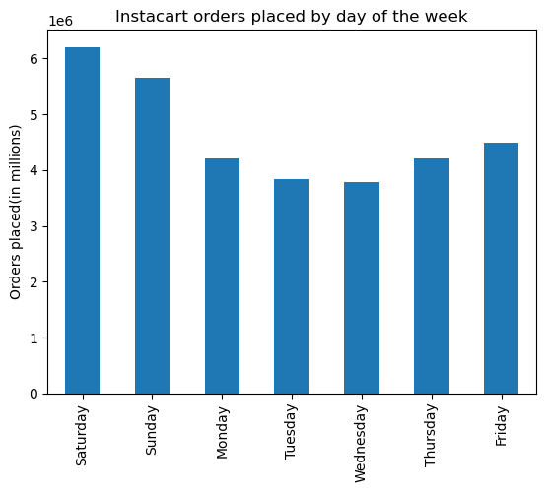
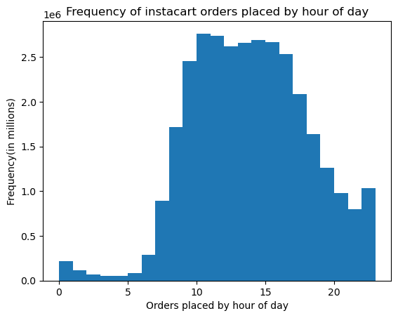

- Most of the orders are done on the weekends.
- The busiest hours of the day are between 9 am and 3 pm.

Fig 2. Frequency of instacart orders placed by hour of day
Fig 1. Instacart orders placed by day

2. Are there particular times of the day when people spend the most money, as this might inform the type of products they advertise at these times.

Average price of instacart products purchased by hour of day

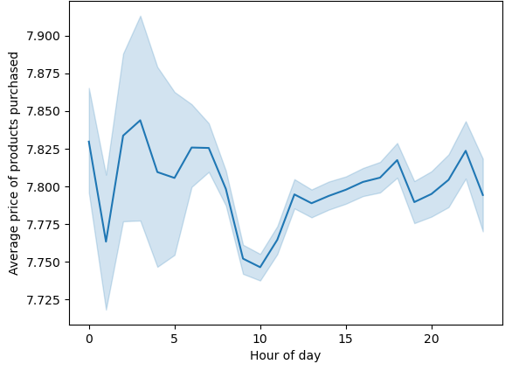

- Prices do not vary greatly, however, the more expensive products are buy between 12 to 7 am. On the other hand, the lowest point is reached at 10 am.

Fig 3. Average price of instacart products purchased by hour of day

3. Instacart has a lot of products with different price tags. Marketing and sales want to use simpler price range groupings to help direct their efforts.

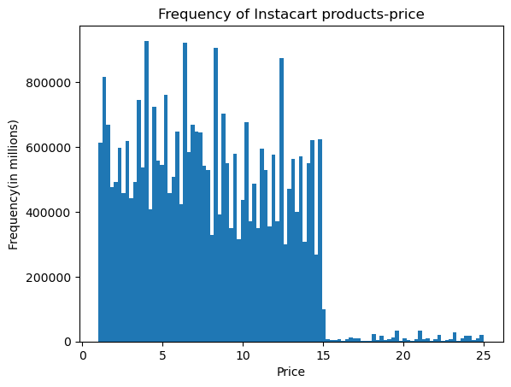
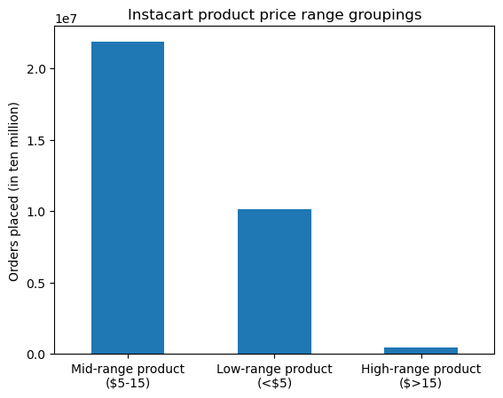

- The most frequent purchased products are found between 0 and $15.
That means that the most popular items are located in low and mid-range categories.

Fig 5. Instacart product price-range groupings
Fig 4. Frequency of instacat products-price

4. Are there certain types of products that are more popular than others? The marketing and sales teams want to know which departments have the highest frequency of product orders.

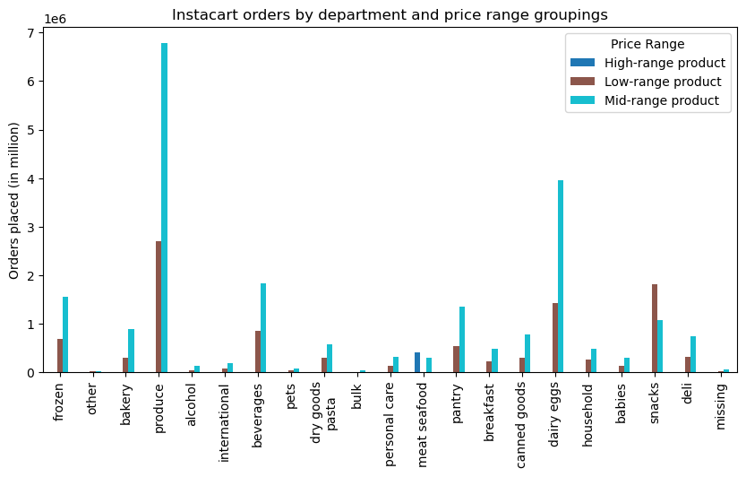

- Mid-range items in the departments: Produce, diary eggs, beverages and frozen are the most popular ones.

Fig 6. Instacart orders by department and price range groupings

5. What’s the distribution among users in regards to their brand loyalty (i.e., how often do they return to Instacart)?

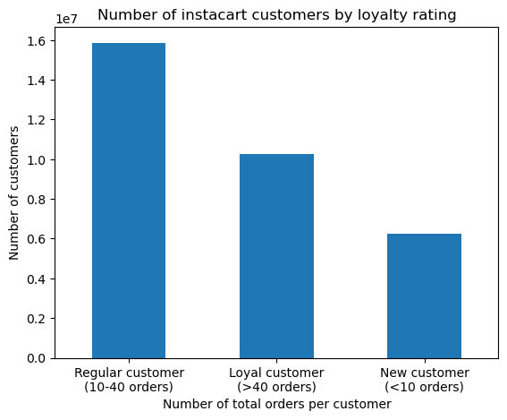

- Most of Instacart customers are inside of the categories regular (10-40 orders) and loyal (more than 40 orders). Loyal customers buy every week, and regular customers buy every 12 days in average.

Fig 7. Number of instacart customers by loyalty rating

6. Are there differences in ordering habits based on a customer’s loyalty status?

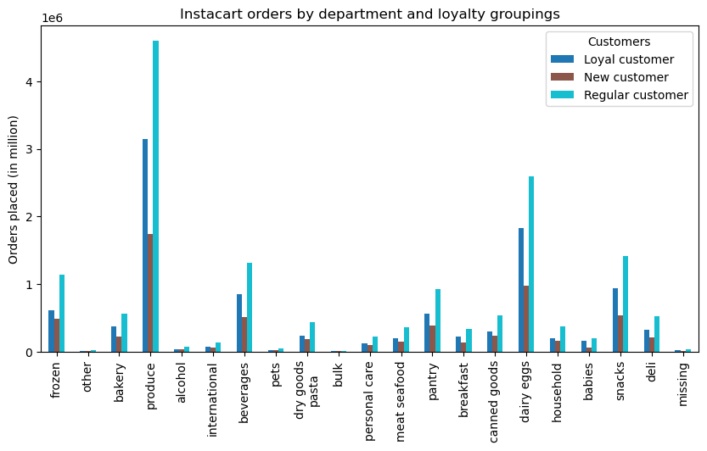

- Loyal customers buy frequently than regular and new. Apart from this, they collect items in great demand, on the departments produce, diary eggs, snacks, and beverages.

Fig 8. Instacart orders by department and loyalty groupings

7. Are there differences in ordering habits based on a customer’s region?

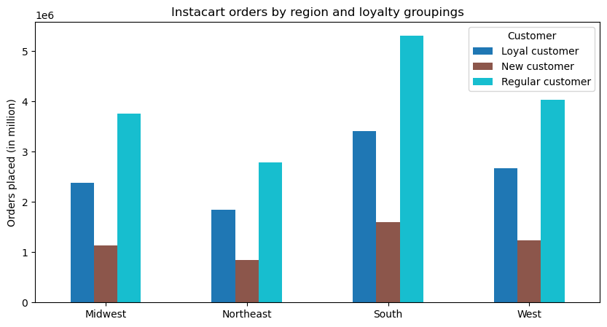
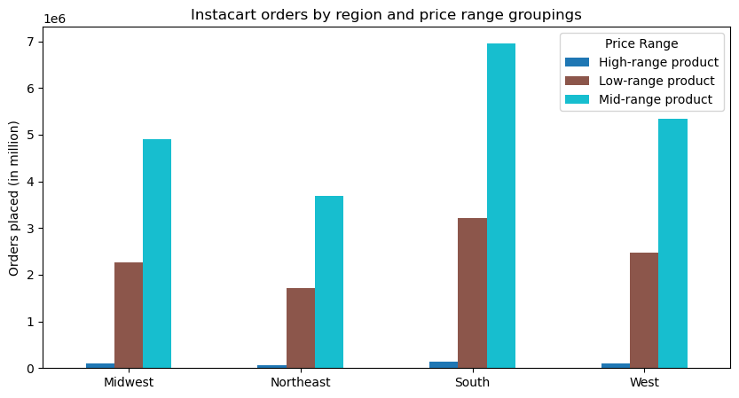

Fig 9. Instacart orders by region and loyalty groupings
Fig 10. Instacart orders by region and price-range groupings

- The distribution of loyal,regular and new customers is similar. However, the South region present the highest number of orders.
- On the other hand, Mid and Low-range products are the most popular ones in the four regions.

8. Is there a connection between age and family status in terms of ordering habits?

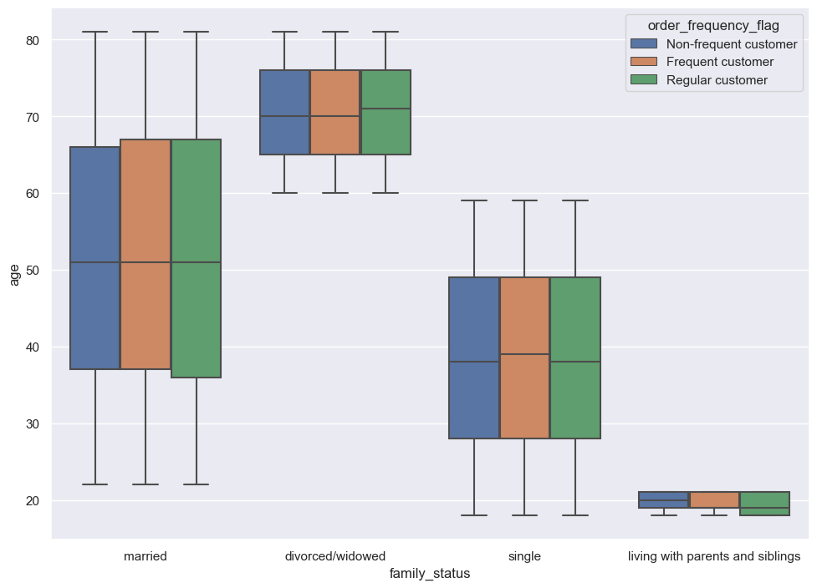
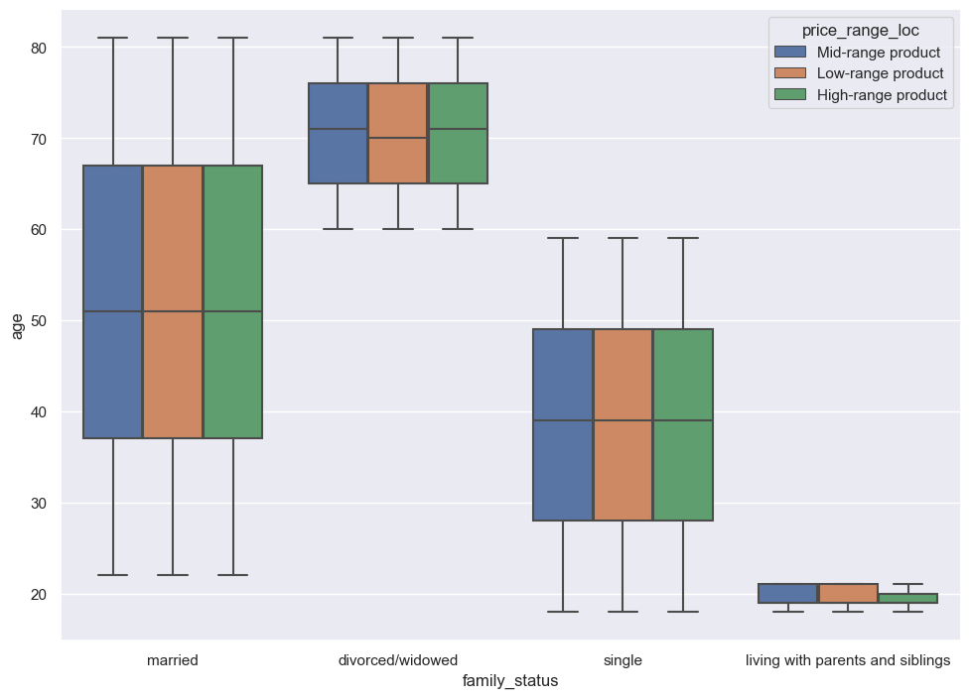

- There seem not to be significant differences between the conection age-family and age-ordering habits. However, in both figures for customers living with parents and siblings they vary slightly for regular customers and high-range products.

Fig 11. Instacart orders frequency by family status and age groupings
Fig 12. Instacart price-range products by family status and age groupings

9. What different classifications does the demographic information suggest? Age? Income? Certain types of goods? Family status?

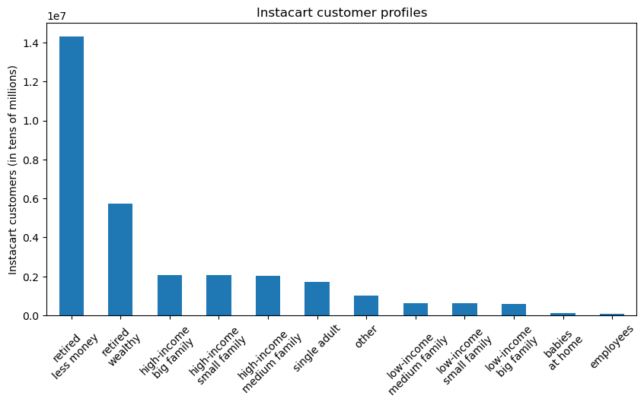

- The most popular customers in instacart are retired people.

Fig 13. Instacart customer profiles

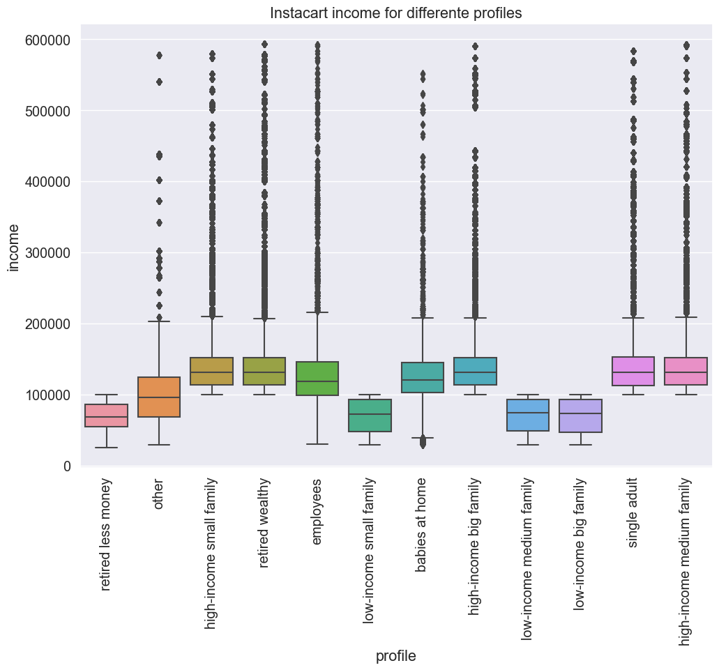
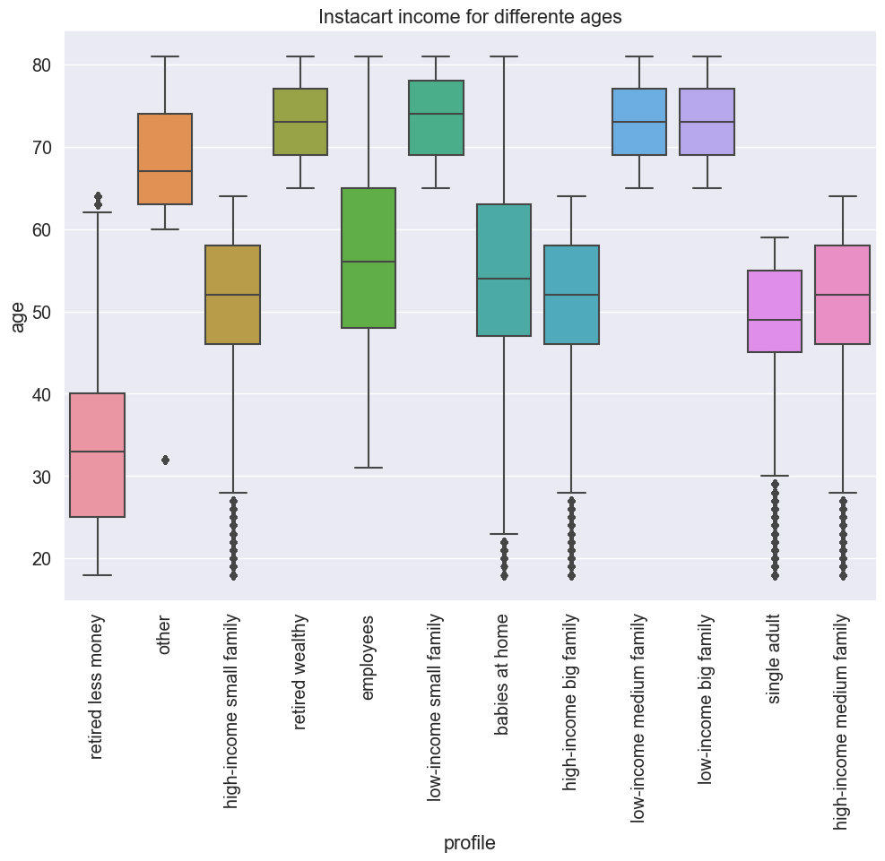

Fig 14. Instacart income for different profiles
Fig 15. Instacart income for different ages

- Profiles where grouped by age and income (Fig 14 and Fig 15), and therefore there is a positive relation between both. For example, the category retired less money, means that these customers are older and retired, but with a lower income.

- The most common family status is married. However, the category other include most of the divorced/widowed customers.

Fig 16. Instacart orders by profile and family status

10. What differences can you find in ordering habits of different customer profiles? Consider the price of orders, the frequency of orders, the products customers are ordering, and anything else you can think of.

Fig 17. Instacart orders by profile and department

- Fig 17 shows that, the profiles according to the ordering habits by department ID are very similar. Only babies at home and the employees categories are different (because they were created in relation to an specific department). Otherwise, we could conclude that the ordering behavior according to the different profiles, it is almost same for each deparment.

7. Recommendations
 |  |  | Title page

Recommendations

In this tab you should include any recommendations you would made to Instcart in terms of their marketing strategy based on the questions posed in the brief. Every key question has been covered in the Tasks of the Exercises - here you need to add an item - a visualisation or table/crosstable that is showing the answer in the data, acompanied by a comment from you. Please, list the questions below and add the answer underneath.

Question | Figure | Answer
Key Question 1 | 1,2 | Instacart could advertise more heavily on weekends in order to increase sales. On the other hand, a special offers strategy could be used during the week.
Key Question 2 | 3 | Fig 3 shows that early in the morning, high-priced products are sold. However, the number of people that order is deficient. Therefore, we would recomend investing more in marketing strategies that are focused on the busiest hours of the day (9 am to 3 pm)
Key Question 3 | 4, 5 | Instacart should continue investing in products of high revenue, as in the case of the Mid and Low-range.
Key Question 4 | 6 | The marketing and sales team should focus efforts greatly in the Produce, diary eggs, beverages and frozen departments.
Key Question 5 | 7 | The marketing and sales team should create a program to reward loyal and regular customers, as well as to inspire new customers to change the category.
Key Question 6 | 8 | The marketing team could create priority card for loyal customers to buy in the departments produce, dairy eggs, snacks, and beverages.
Key Question 7 | 9,10 | The South region could be used when launching new brands or products.
Key Question 8 | 11,12 | The connection betweem age, family status and ordering habits are very similar. Therefore the marketing team should not invest in strategies to personalise according to this characteristics.
Key Question 9 | 13-16 | The marketing and sales team could invest in programs for retired people.
Key Question 10 | 17 | General campaigns for the departments could be used. That is because there are similar behaviours for most of the profiles regarding a departments preferences.

